Sheet1
Project-1 | personal portfolio website | basic heading as name and job role, mention of technologies known, mention of projects. | 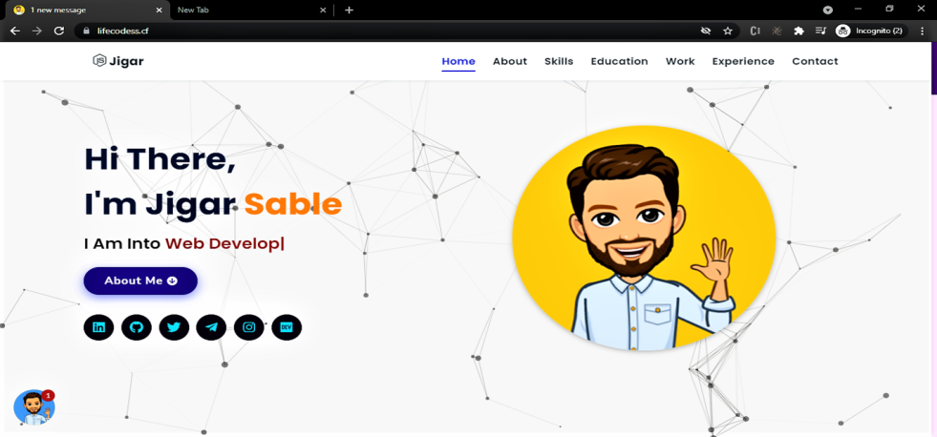
Project-2 | simple landing page | basic landing page of any clone website. | 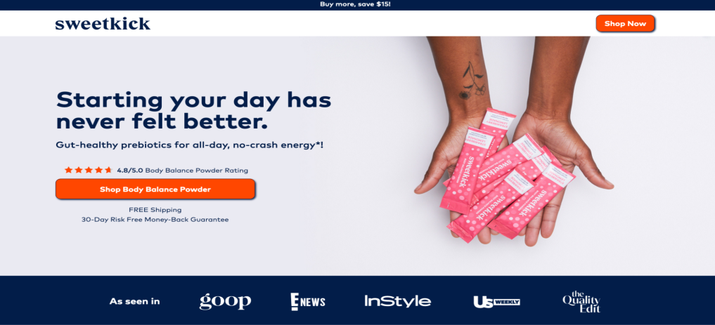
Project-3 | blog layout | create and delete blog in text form update and read. It includes CRUD operations. | 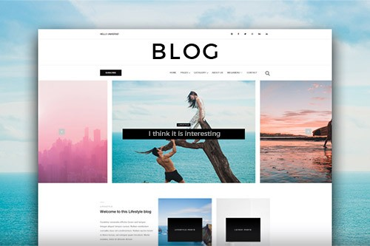
Project-4 | E-commerce page | basic clone website of any e-commerce platform | 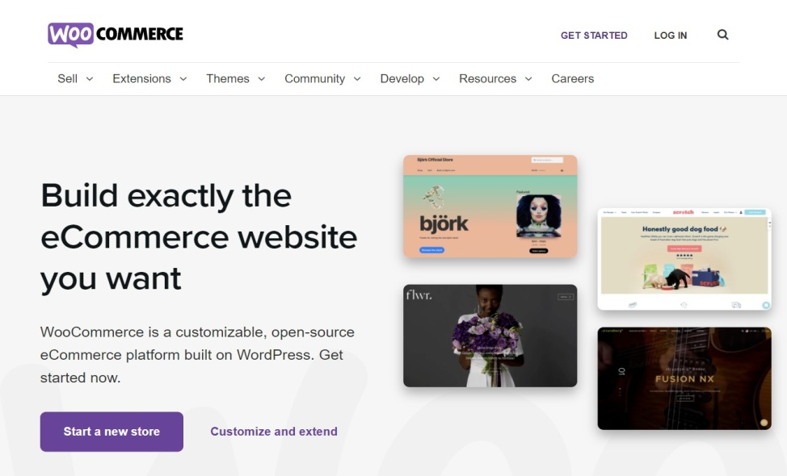
Project-5 | Recipe page | basic page of food recipes and add recipe text form page. | 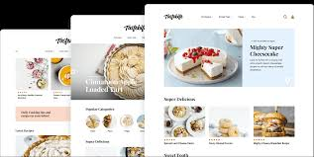
Project-6 | Business page home | clone website of any brand web page. | 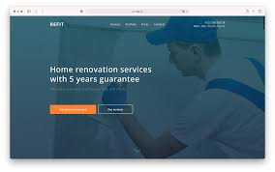
Project-7 | Survey form | survey form includes basic details and basic validation for it. | 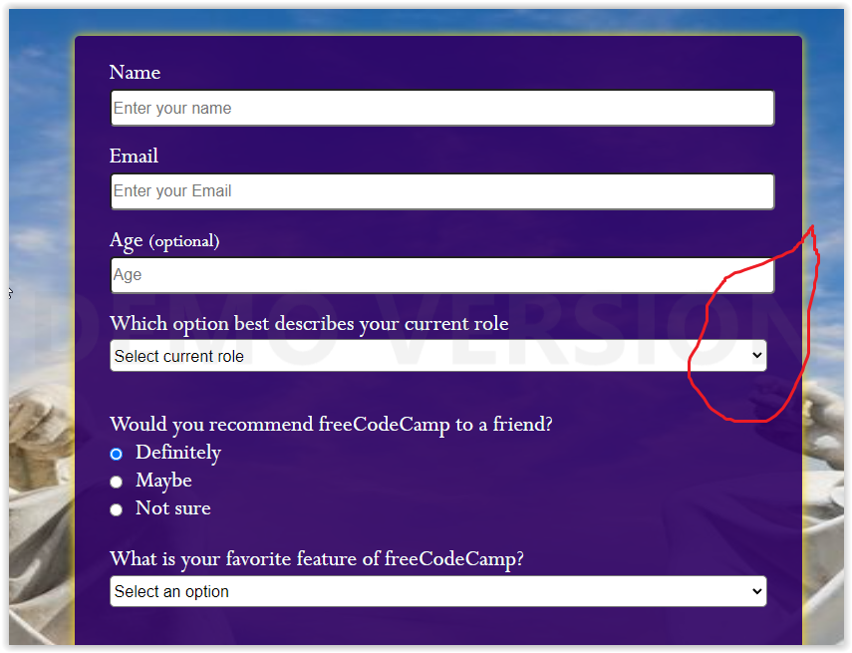
Project-8 | invitation page | any kind of birthday invitation or party which tells the activities involved. | 
Project-9 | parallax website | parallax web page scroll is new and basic method page scrolling techniques | 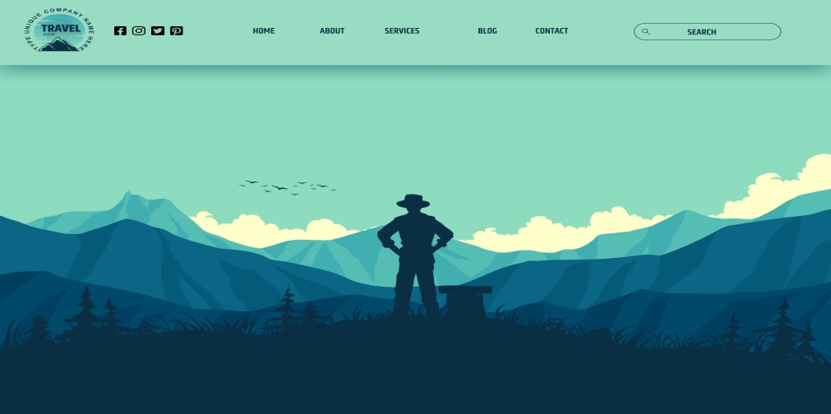
Project-10 | web validation form | any form that includes basic validation for it. | 